Sheet1
Problem Solving
Data Structures Skills
Java - Javascripts
Learn - Explore - Apply - Work
JS - ES6 Features - Built-in Functions
API Calls - AXIOS Fetch
APIS Calls - CRUD Operations
Node JS - Libraries
SQL - Mongo DB - Write Raw Queries

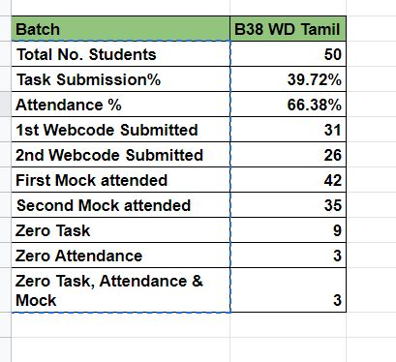
 | https://docs.google.com/spreadsheets/d/1lN9Pq_qkJ7lsT7-X_nTaJwkg1huvhqymrL9Zvv843WU/edit#gid=0
 |  | Questions : | Zen Bichakshyana Mohanty | Dinesh Pandian J | Sainath Reddy | Venkata Sai Tanuja M
 |  | Total No. Students | 50 | 50 | 50 | 50
 |  | overall Task Submission% | 43.65% | 43.65 | 43.00% | 21.83%
 |  | Attendance % | 66.38% | 66.38%
 |  | overall 1st Webcode Submitted | 31 |  | 31
 |  | overall 2nd Webcode Submitted | 26 |  | 26
 |  | count of First Mock attended | 33 |  | 33
 |  | count of Second Mock attended | 39 |  | 39
 |  | count of Zero Task | 9 |  | 9
 |  | overall count of Zero Attendance | 3
 |  | count of > Attendance 75% | 29
 |  | overall count of Zero Task, Attendance & Mock
 |  | Rating | 1 | 3 | 2 | 4

